Use_Case
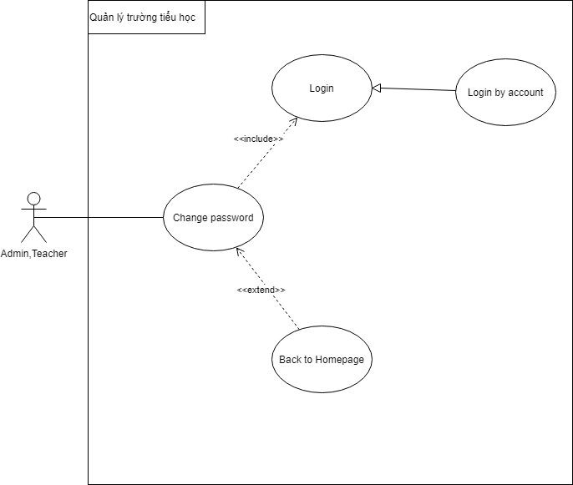
6.2.6.1.4 Xem thông tin học viên

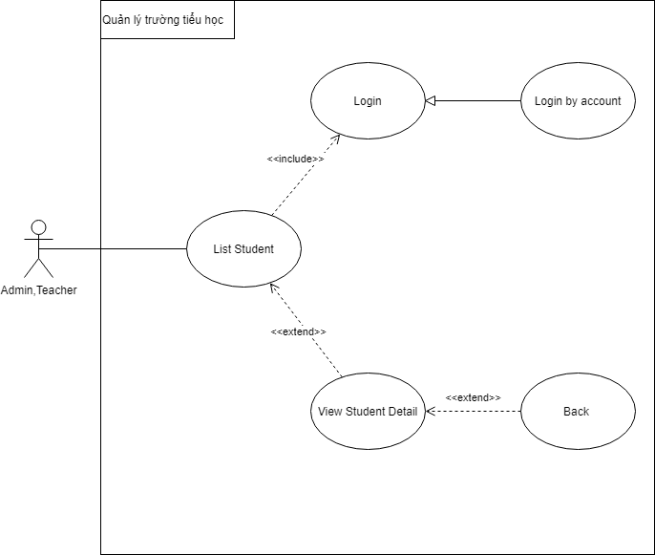

6.3.5 Thay đổi mật khẩu

Class_diagram
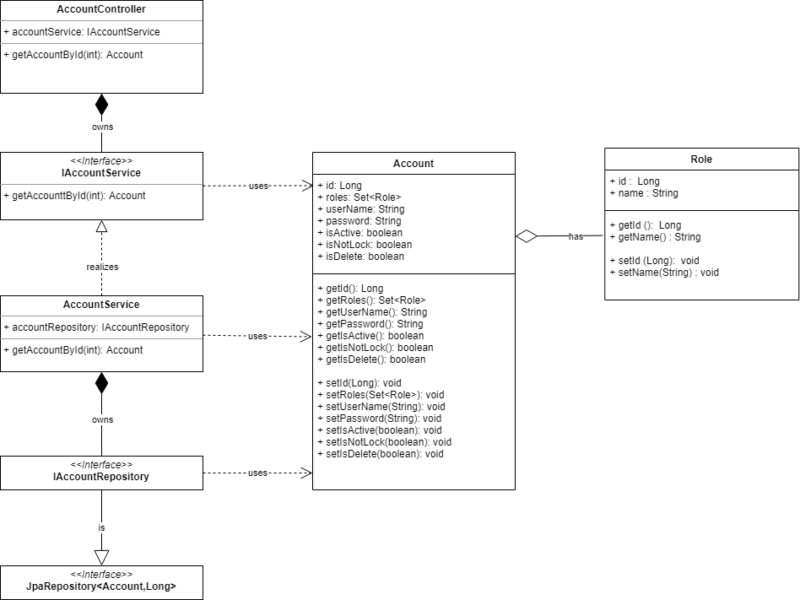
6.2.6.1.4 Xem thông tin học viên

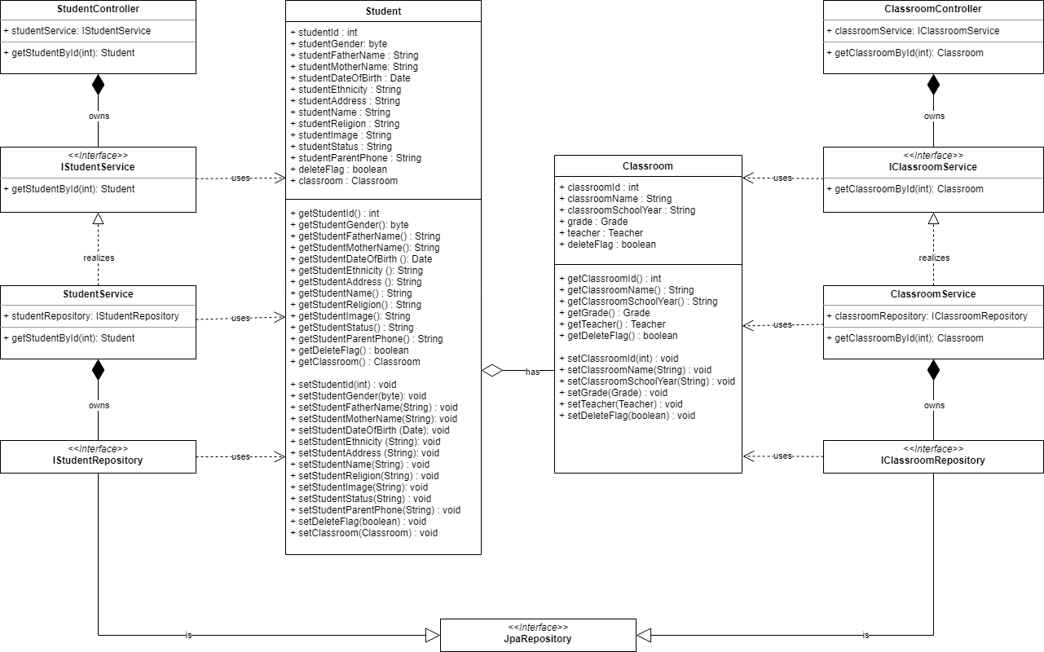

6.3.5 Thay đổi mật khẩu

Squence_diagram
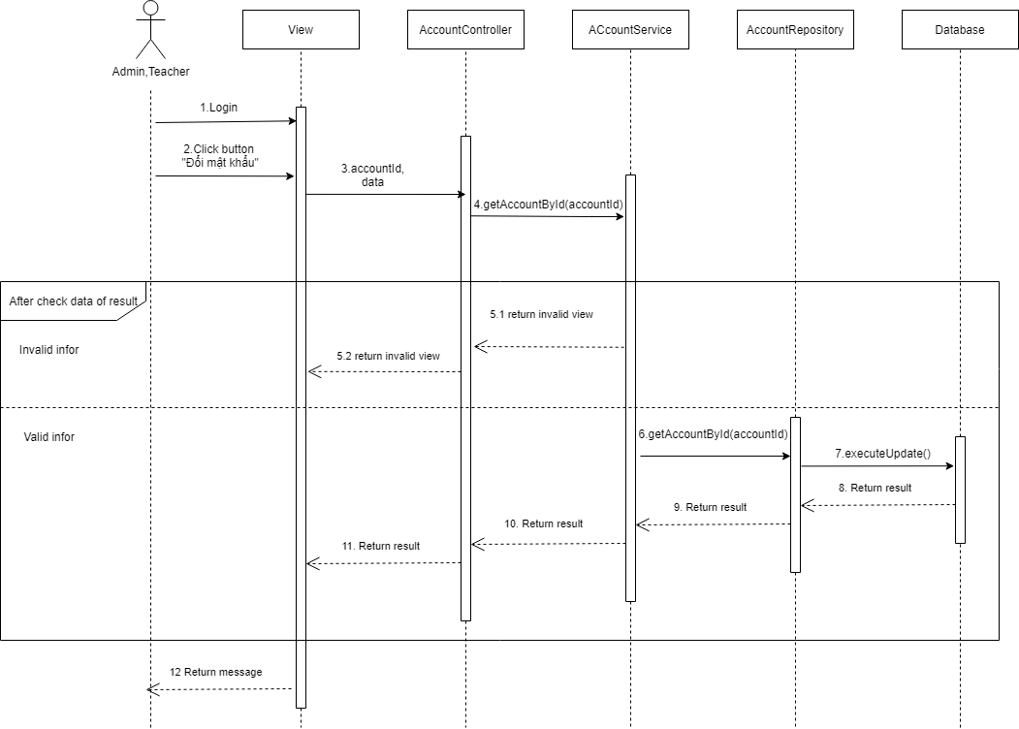
6.2.6.1.4 Xem thông tin học viên

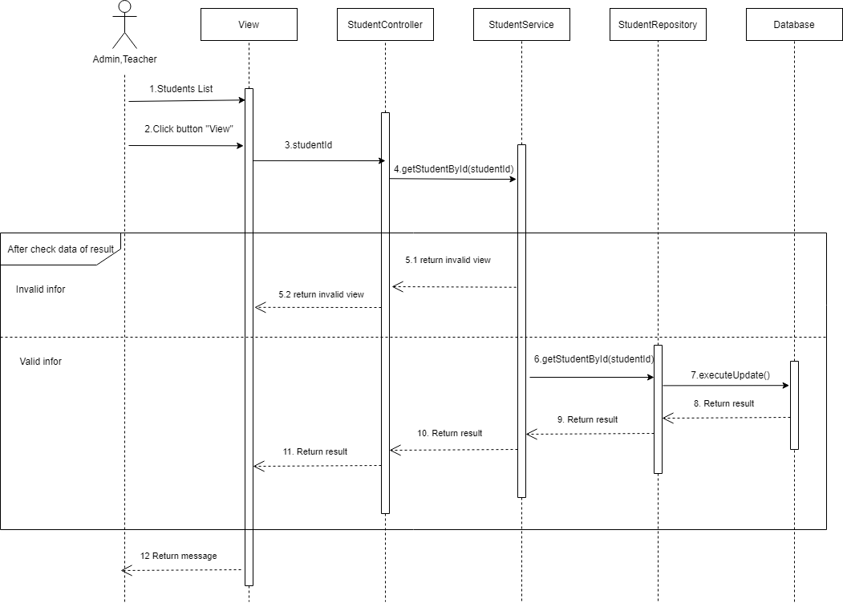

6.3.5 Thay đổi mật khẩu

